Answers
Q1: What are the top 3 counties that have the highest percent of deaths? Where are they located (north, north west, south, west, etc.)? Provide a screenshot to support your answer.
The top 3 counties with the highest percent of deaths were Alcona, Oscoda and Ontonagon. Alcona and Oscoda are in the North and to the East part of the lower penninsula. They are the two dots close to eachother. Ontonagon is in the upper penninsula in the North and West. All of them are along the water.

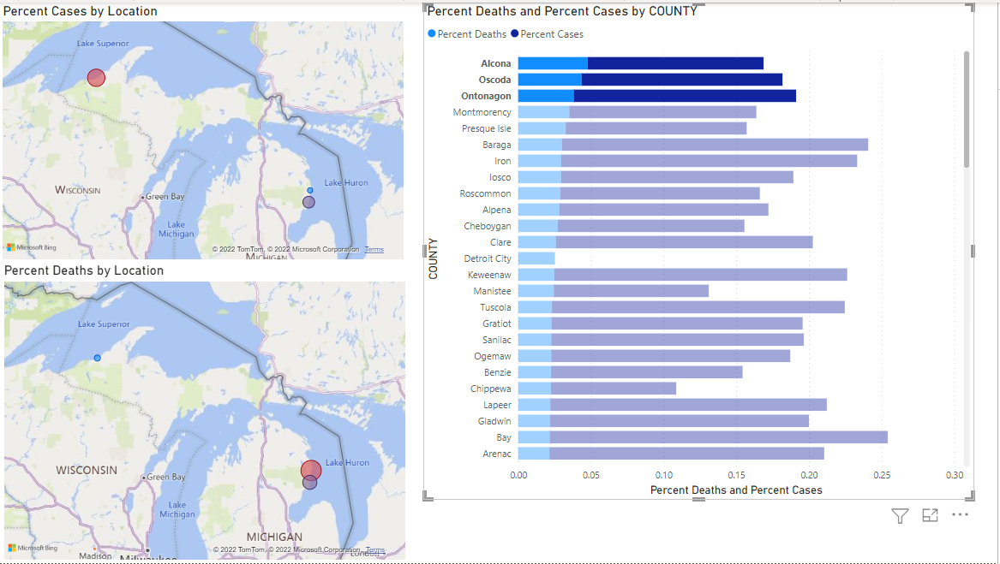

Q2: Which county among the above top 3 has the largest per capita COVID cases? Provide a screenshot to support your answer.
Ontonagon is the county with largest per capita COVID cases out of the 3 highest death rate counties. The percent cases reflects that.

Q3: List two most distinctive patterns that you see by comparing the two map visuals (percent of cases versus percent of deaths).
When looking at the two map visuals one of the biggest patterns I see is that the more populated parts of Michigan have more cases, but the higher death rates are in more rural areas. The second biggest pattern I see when comparing the two is that the north east part of the lower pennisula is hit hard with the death rates even though they have a low percent of cases.

